Sheet4
public static abstract class Visitor {
public void visitTopLevel(JCCompilationUnit that) { visitTree(that); } | JCTree.JCStatement
public void visitPackageDef(JCPackageDecl that) { visitTree(that); }
public void visitImport(JCImport that) { visitTree(that); }
public void visitClassDef(JCClassDecl that) { visitTree(that); }
public void visitMethodDef(JCMethodDecl that) { visitTree(that); }
public void visitVarDef(JCVariableDecl that) { visitTree(that); }
public void visitSkip(JCSkip that) { visitTree(that); }
public void visitBlock(JCBlock that) { visitTree(that); }
public void visitDoLoop(JCDoWhileLoop that) { visitTree(that); }
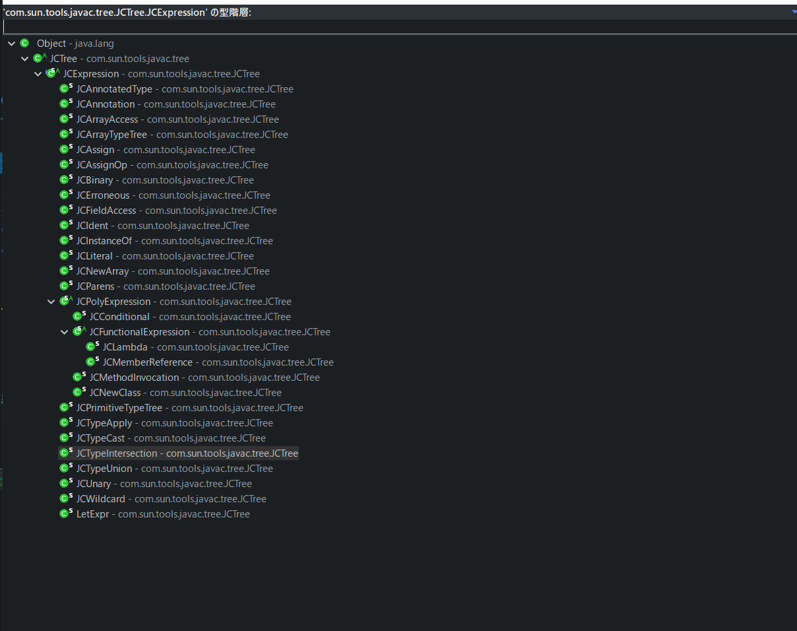
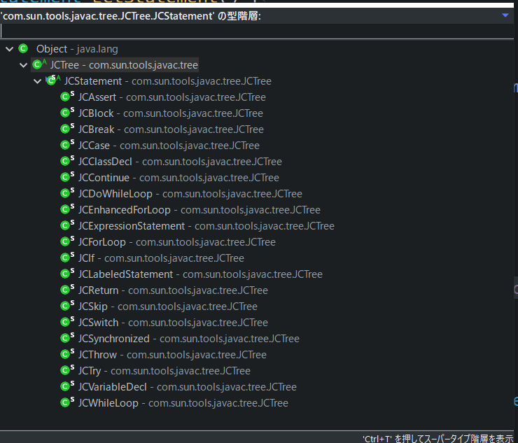
public void visitWhileLoop(JCWhileLoop that) { visitTree(that); }
public void visitForLoop(JCForLoop that) { visitTree(that); }
public void visitForeachLoop(JCEnhancedForLoop that) { visitTree(that); }
public void visitLabelled(JCLabeledStatement that) { visitTree(that); }
public void visitSwitch(JCSwitch that) { visitTree(that); }
public void visitCase(JCCase that) { visitTree(that); }
public void visitSynchronized(JCSynchronized that) { visitTree(that); }
public void visitTry(JCTry that) { visitTree(that); }
public void visitCatch(JCCatch that) { visitTree(that); }
public void visitConditional(JCConditional that) { visitTree(that); }
public void visitIf(JCIf that) { visitTree(that); }
public void visitExec(JCExpressionStatement that) { visitTree(that); }
public void visitBreak(JCBreak that) { visitTree(that); }
public void visitContinue(JCContinue that) { visitTree(that); }
public void visitReturn(JCReturn that) { visitTree(that); }
public void visitThrow(JCThrow that) { visitTree(that); }
public void visitAssert(JCAssert that) { visitTree(that); }
public void visitApply(JCMethodInvocation that) { visitTree(that); }
public void visitNewClass(JCNewClass that) { visitTree(that); }
public void visitNewArray(JCNewArray that) { visitTree(that); }
public void visitLambda(JCLambda that) { visitTree(that); }
public void visitParens(JCParens that) { visitTree(that); }
public void visitAssign(JCAssign that) { visitTree(that); }
public void visitAssignop(JCAssignOp that) { visitTree(that); }
public void visitUnary(JCUnary that) { visitTree(that); }
public void visitBinary(JCBinary that) { visitTree(that); }
public void visitTypeCast(JCTypeCast that) { visitTree(that); }
public void visitTypeTest(JCInstanceOf that) { visitTree(that); }
public void visitIndexed(JCArrayAccess that) { visitTree(that); }
public void visitSelect(JCFieldAccess that) { visitTree(that); }
public void visitReference(JCMemberReference that) { visitTree(that); }
public void visitIdent(JCIdent that) { visitTree(that); }
public void visitLiteral(JCLiteral that) { visitTree(that); }
public void visitTypeIdent(JCPrimitiveTypeTree that) { visitTree(that); }
public void visitTypeArray(JCArrayTypeTree that) { visitTree(that); }
public void visitTypeApply(JCTypeApply that) { visitTree(that); }
public void visitTypeUnion(JCTypeUnion that) { visitTree(that); }
public void visitTypeIntersection(JCTypeIntersection that) { visitTree(that); }
public void visitTypeParameter(JCTypeParameter that) { visitTree(that); }
public void visitWildcard(JCWildcard that) { visitTree(that); }
public void visitTypeBoundKind(TypeBoundKind that) { visitTree(that); }
public void visitAnnotation(JCAnnotation that) { visitTree(that); }
public void visitModifiers(JCModifiers that) { visitTree(that); }
public void visitAnnotatedType(JCAnnotatedType that) { visitTree(that); }
public void visitErroneous(JCErroneous that) { visitTree(that); }
public void visitModuleDef(JCModuleDecl that) { visitTree(that); }
public void visitExports(JCExports that) { visitTree(that); }
public void visitOpens(JCOpens that) { visitTree(that); }
public void visitProvides(JCProvides that) { visitTree(that); }
public void visitRequires(JCRequires that) { visitTree(that); }
public void visitUses(JCUses that) { visitTree(that); }
public void visitLetExpr(LetExpr that) { visitTree(that); }

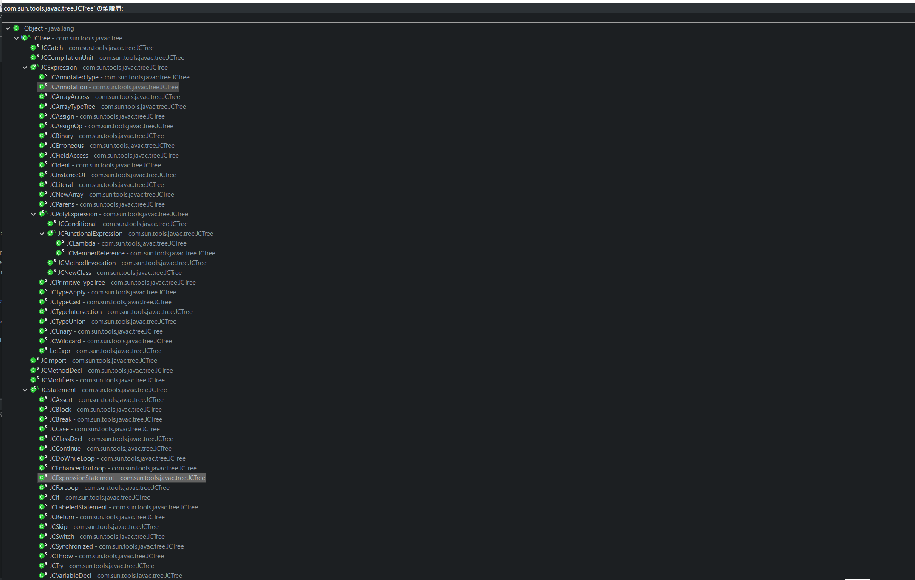
public void visitTree(JCTree that) { Assert.error(); }
}

public interface Factory {
JCTree.JCCompilationUnit TopLevel(List<JCTree.JCAnnotation> var1, JCTree.JCExpression var2, List<JCTree> var3);

JCTree.JCImport Import(JCTree var1, boolean var2);

JCTree.JCClassDecl ClassDef(JCTree.JCModifiers var1, Name var2, List<JCTree.JCTypeParameter> var3, JCTree.JCExpression var4, List<JCTree.JCExpression> var5, List<JCTree> var6);

JCTree.JCMethodDecl MethodDef(JCTree.JCModifiers var1, Name var2, JCTree.JCExpression var3, List<JCTree.JCTypeParameter> var4, JCTree.JCVariableDecl var5, List<JCTree.JCVariableDecl> var6, List<JCTree.JCExpression> var7, JCTree.JCBlock var8, JCTree.JCExpression var9);

JCTree.JCVariableDecl VarDef(JCTree.JCModifiers var1, Name var2, JCTree.JCExpression var3, JCTree.JCExpression var4);

JCTree.JCSkip Skip();

JCTree.JCBlock Block(long var1, List<JCTree.JCStatement> var3);

JCTree.JCDoWhileLoop DoLoop(JCTree.JCStatement var1, JCTree.JCExpression var2);

JCTree.JCWhileLoop WhileLoop(JCTree.JCExpression var1, JCTree.JCStatement var2);

JCTree.JCForLoop ForLoop(List<JCTree.JCStatement> var1, JCTree.JCExpression var2, List<JCTree.JCExpressionStatement> var3, JCTree.JCStatement var4);

JCTree.JCEnhancedForLoop ForeachLoop(JCTree.JCVariableDecl var1, JCTree.JCExpression var2, JCTree.JCStatement var3);

JCTree.JCLabeledStatement Labelled(Name var1, JCTree.JCStatement var2);

JCTree.JCSwitch Switch(JCTree.JCExpression var1, List<JCTree.JCCase> var2);

JCTree.JCCase Case(JCTree.JCExpression var1, List<JCTree.JCStatement> var2);

JCTree.JCSynchronized Synchronized(JCTree.JCExpression var1, JCTree.JCBlock var2);

JCTree.JCTry Try(JCTree.JCBlock var1, List<JCTree.JCCatch> var2, JCTree.JCBlock var3);

JCTree.JCTry Try(List<JCTree> var1, JCTree.JCBlock var2, List<JCTree.JCCatch> var3, JCTree.JCBlock var4);

JCTree.JCCatch Catch(JCTree.JCVariableDecl var1, JCTree.JCBlock var2);

JCTree.JCConditional Conditional(JCTree.JCExpression var1, JCTree.JCExpression var2, JCTree.JCExpression var3);

JCTree.JCIf If(JCTree.JCExpression var1, JCTree.JCStatement var2, JCTree.JCStatement var3);

JCTree.JCExpressionStatement Exec(JCTree.JCExpression var1);

JCTree.JCBreak Break(Name var1);

JCTree.JCContinue Continue(Name var1);

JCTree.JCReturn Return(JCTree.JCExpression var1);

JCTree.JCThrow Throw(JCTree.JCExpression var1);

JCTree.JCAssert Assert(JCTree.JCExpression var1, JCTree.JCExpression var2);

JCTree.JCMethodInvocation Apply(List<JCTree.JCExpression> var1, JCTree.JCExpression var2, List<JCTree.JCExpression> var3);

JCTree.JCNewClass NewClass(JCTree.JCExpression var1, List<JCTree.JCExpression> var2, JCTree.JCExpression var3, List<JCTree.JCExpression> var4, JCTree.JCClassDecl var5);

JCTree.JCNewArray NewArray(JCTree.JCExpression var1, List<JCTree.JCExpression> var2, List<JCTree.JCExpression> var3);

JCTree.JCParens Parens(JCTree.JCExpression var1);

JCTree.JCAssign Assign(JCTree.JCExpression var1, JCTree.JCExpression var2);

JCTree.JCAssignOp Assignop(JCTree.Tag var1, JCTree var2, JCTree var3);

JCTree.JCUnary Unary(JCTree.Tag var1, JCTree.JCExpression var2);

JCTree.JCBinary Binary(JCTree.Tag var1, JCTree.JCExpression var2, JCTree.JCExpression var3);

JCTree.JCTypeCast TypeCast(JCTree var1, JCTree.JCExpression var2);

JCTree.JCInstanceOf TypeTest(JCTree.JCExpression var1, JCTree var2);

JCTree.JCArrayAccess Indexed(JCTree.JCExpression var1, JCTree.JCExpression var2);

JCTree.JCFieldAccess Select(JCTree.JCExpression var1, Name var2);

JCTree.JCIdent Ident(Name var1);

JCTree.JCLiteral Literal(TypeTag var1, Object var2);

JCTree.JCPrimitiveTypeTree TypeIdent(TypeTag var1);

JCTree.JCArrayTypeTree TypeArray(JCTree.JCExpression var1);

JCTree.JCTypeApply TypeApply(JCTree.JCExpression var1, List<JCTree.JCExpression> var2);

JCTree.JCTypeParameter TypeParameter(Name var1, List<JCTree.JCExpression> var2);

JCTree.JCWildcard Wildcard(JCTree.TypeBoundKind var1, JCTree var2);

JCTree.TypeBoundKind TypeBoundKind(BoundKind var1);

JCTree.JCAnnotation Annotation(JCTree var1, List<JCTree.JCExpression> var2);

JCTree.JCModifiers Modifiers(long var1, List<JCTree.JCAnnotation> var3);

JCTree.JCErroneous Erroneous(List<? extends JCTree> var1);

JCTree.LetExpr LetExpr(List<JCTree.JCVariableDecl> var1, JCTree var2);
}

public static class JCAnnotatedType extends JCTree.JCExpression implements AnnotatedTypeTree {
public List<JCTree.JCAnnotation> annotations;
public JCTree.JCExpression underlyingType;

protected JCAnnotatedType(List<JCTree.JCAnnotation> var1, JCTree.JCExpression var2) {
Assert.check(var1 != null && var1.nonEmpty());
this.annotations = var1;
this.underlyingType = var2;
}

public void accept(JCTree.Visitor var1) {
var1.visitAnnotatedType(this);
}

public Kind getKind() {
return Kind.ANNOTATED_TYPE;
}

public List<JCTree.JCAnnotation> getAnnotations() {
return this.annotations;
}

public JCTree.JCExpression getUnderlyingType() {
return this.underlyingType;
}

public <R, D> R accept(TreeVisitor<R, D> var1, D var2) {
return var1.visitAnnotatedType(this, var2);
}

public JCTree.Tag getTag() {
return JCTree.Tag.ANNOTATED_TYPE;
}
}

Sheet5
